Sheet1
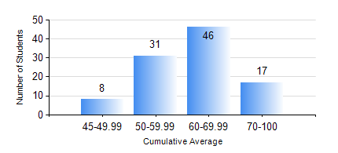
 |  |  | KWAME NKRUMAH UNIVERSITY OF SCIENCE AND TECHNOLOGY, KUMASI Department of Materials Engineering

 |  |  | BSC. MATERIALS ENG.

 |  |  | COMPREHENSIVE RECORD OF EXAMINATION RESULTS

 |  |  | RESULTS OF YEAR 3 FIRST SEMESTER, 2020/2021 ACADEMIC YEAR

 | Sn | Course Code |  | Course Name | Credit Hours | Min. Mark | Max. Mark | Avg. Mark | Std. Dev. | No. Passed | No. Trailed | No. (Df) | No. (I) | No. (I*) | No. Tagged(I,I*,Df) | Total
 | 0. |  |  |  |  |  |  | 0 | 0 | 0 | 0 | 0 | 0 | 0 | 0 | 4
 | 1. | MATH 353 |  | PROBABILTY AND STATISTICS | 2 | 21 | 84 | 58 | 12.03 | 95 | 2 | 1 | 0 | 0 | 1 | 98
 | 2. | ME 355 |  | STRENGTH OF MATERIALS II | 3 | 13 | 91 | 56 | 14.02 | 94 | 4 | 0 | 0 | 0 | 0 | 98
 | 3. | MSE 257 |  | INDIGENOUS PROCESSING | 1 | 40 | 40 | 40 | 0 | 1 | 0 | 0 | 0 | 0 | 0 | 1
 | 4. | MSE 351 |  | ENGINEERING CERAMICS I | 3 | 21 | 87 | 54 | 14.05 | 88 | 10 | 0 | 0 | 0 | 0 | 98
 | 5. | MSE 353 |  | PYROMETALLURGY | 3 | 18 | 90 | 58 | 15.09 | 91 | 7 | 0 | 0 | 0 | 0 | 98
 | 6. | MSE 355 |  | POLYMER PROCESSING | 2 | 28 | 84 | 55 | 12.03 | 94 | 3 | 1 | 0 | 0 | 1 | 98
 | 7. | MSE 357 |  | FOUNDRY TECHNOLOGY I | 3 | 45 | 97 | 76 | 12.39 | 98 | 0 | 0 | 0 | 0 | 0 | 98
 | 8. | MSE 359 |  | MATERIALS ENGINEERING LABORATORY I | 2 | 29 | 81 | 59 | 8.68 | 96 | 1 | 1 | 0 | 0 | 1 | 98

